Question 1

 |  |  | Year (x) | Actual
 |  | 1 | 1980 | 127.5
 |  | 2 | 1981 | 130.1
 |  | 3 | 1982 | 117.8
 |  | 4 | 1983 | 129.7
 |  | 5 | 1984 | 123.9
 |  | 6 | 1985 | 124.9
 |  | 7 | 1986 | 118.7
 |  | 8 | 1987 | 123.9
1 | Make a time series plot. Is there evidence that the average rushing yards is trending in one direction? Describe the general movement of the series. | 9 | 1988 | 121.4
 |  | 10 | 1989 | 115.3
 | Actual
1980 | 127.5
1981 | 130.1
1982 | 117.8
1983 | 129.7
1984 | 123.9
1985 | 124.9
1986 | 118.7
1987 | 123.9
1988 | 121.4
1989 | 115.3
1990 | 113.9
1991 | 107.7
1992 | 110.5
1993 | 110
1994 | 104.3
1995 | 108.1
1996 | 109
1997 | 113
1998 | 112.7
1999 | 106.5
2000 | 112.6
2001 | 111.8
2002 | 116.1
2003 | 117.9
2004 | 116.6
2005 | 112.5
2006 | 117.3
2007 | 110.9
2008 | 114.6
2009
 |  | 11 | 1990 | 113.9
 |  | 12 | 1991 | 107.7
 |  | 13 | 1992 | 110.5
 |  | 14 | 1993 | 110
 |  | 15 | 1994 | 104.3
 |  | 16 | 1995 | 108.1
 |  | 17 | 1996 | 109
 |  | 18 | 1997 | 113
 |  | 19 | 1998 | 112.7
 |  | 20 | 1999 | 106.5
 |  | 21 | 2000 | 112.6
 |  | 22 | 2001 | 111.8
 |  | 23 | 2002 | 116.1
 |  | 24 | 2003 | 117.9
 |  | 25 | 2004 | 116.6
 |  | 26 | 2005 | 112.5
 |  | 27 | 2006 | 117.3
 |  | 28 | 2007 | 110.9
 |  | 29 | 2008 | 114.6
 |  | 30 | 2009
 | Yes, the average is rushing towards one direction. General trend is that the average is keep dropping .

Question 2
 |  |  |  |  |  |  |  |  | First Order Form |  |  |  |  | Year (x) | y(t) | y(t-1) | x input Residual Lagged | y output Residual
 |  |  |  |  |  |  |  |  |  | Year (x) | y(t) | y(t-1) | 1 | 1980 | 127.5
 |  |  |  |  |  |  |  |  | 1 | 1980 | 127.5 |  | 2 | 1981 | 130.1 | 127.5 |  | 6.9087369198
 |  |  |  |  |  |  |  |  | 2 | 1981 | 130.1 | 127.5 | 3 | 1982 | 117.8 | 130.1 | 6.9087369198 | -7.1303655763 | Residuals = Y Actual - Y Predicted
 |  |  |  |  |  |  |  |  | 3 | 1982 | 117.8 | 130.1 | 4 | 1983 | 129.7 | 117.8 | -7.1303655763 | 12.996927001
 |  |  |  |  | Data > Data Analysis > Regression |  |  |  | 4 | 1983 | 129.7 | 117.8 | 5 | 1984 | 123.9 | 129.7 | 12.996927001 | -0.76281134616
 |  |  |  |  |  |  |  |  | 5 | 1984 | 123.9 | 129.7 | 6 | 1985 | 124.9 | 123.9 | -0.76281134616 | 4.1167249914
 |  |  |  |  |  |  |  |  | 6 | 1985 | 124.9 | 123.9 | 7 | 1986 | 118.7 | 124.9 | 4.1167249914 | -2.7521605841
SUMMARY OUTPUT |  |  |  |  |  |  |  |  | 7 | 1986 | 118.7 | 124.9 | 8 | 1987 | 123.9 | 118.7 | -2.7521605841 | 6.5949299836
 |  |  |  |  |  |  |  |  | 8 | 1987 | 123.9 | 118.7 | 9 | 1988 | 121.4 | 123.9 | 6.5949299836 | 0.61672499135
Regression Statistics |  |  |  |  |  |  |  |  | 9 | 1988 | 121.4 | 123.9 | 10 | 1989 | 115.3 | 121.4 | 0.61672499135 | -3.8110610701
Multiple R | 0.70683597531 |  |  |  |  |  |  |  | 10 | 1989 | 115.3 | 121.4 | 11 | 1990 | 113.9 | 115.3 | -3.8110610701 | -1.1308590599
R Square | 0.499617096 |  |  |  |  |  |  |  | 11 | 1990 | 113.9 | 115.3 | 12 | 1991 | 107.7 | 113.9 | -1.1308590599 | -6.3944192543
Adjusted R Square | 0.48037159969 |  |  |  |  |  |  |  | 12 | 1991 | 107.7 | 113.9 | 13 | 1992 | 110.5 | 107.7 | -6.3944192543 | 0.55267131336
Standard Error | 4.7942587394 |  |  |  |  |  |  |  | 13 | 1992 | 110.5 | 107.7 | 14 | 1993 | 110 | 110.5 | 0.55267131336 | -1.8202082979
Observations | 28 |  |  |  |  |  |  |  | 14 | 1993 | 110 | 110.5 | 15 | 1994 | 104.3 | 110 | -1.8202082979 | -7.1857655101
 |  |  |  |  |  |  |  |  | 15 | 1994 | 104.3 | 110 | 16 | 1995 | 108.1 | 104.3 | -7.1857655101 | 0.42688226983
ANOVA |  |  |  |  |  |  |  |  | 16 | 1995 | 108.1 | 104.3 | 17 | 1996 | 109 | 108.1 | 0.42688226983 | -1.2148829168
 | df | SS | MS | F | Significance F |  |  |  | 17 | 1996 | 109 | 108.1 | 18 | 1997 | 113 | 109 | -1.2148829168 | 2.1831200653
Regression | 1 | 596.69323305 | 596.69323305 | 25.960208456 | 2.6150116104E-05 |  |  |  | 18 | 1997 | 113 | 109 | 19 | 1998 | 112.7 | 113 | 2.1831200653 | -0.79242223643
Residual | 26 | 597.60783838 | 22.984916861 |  |  |  |  |  | 19 | 1998 | 112.7 | 113 | 20 | 1999 | 106.5 | 112.7 | -0.79242223643 | -6.7917565638
Total | 27 | 1194.3010714 |  |  |  |  |  |  | 20 | 1999 | 106.5 | 112.7 | 21 | 2000 | 112.6 | 106.5 | -6.7917565638 | 3.4553340039
 |  |  |  |  |  |  |  |  | 21 | 2000 | 112.6 | 106.5 | 22 | 2001 | 111.8 | 112.6 | 3.4553340039 | -1.4248680063
 | Coefficients | Standard Error | t Stat | P-value | Lower 95% | Upper 95% | Lower 95.0% | Upper 95.0% | 22 | 2001 | 111.8 | 112.6 | 23 | 2002 | 116.1 | 111.8 | -1.4248680063 | 3.4102404541 | SUMMARY OUTPUT
Intercept | 37.908352213 | 15.239466815 | 2.4875117137 | 0.019603154467 | 6.5831795451 | 69.23352488 | 6.5831795451 | 69.23352488 | 23 | 2002 | 116.1 | 111.8 | 24 | 2003 | 117.9 | 116.1 | 3.4102404541 | 2.3340324797
X Variable 1 | 0.66888557543 | 0.13127975052 | 5.0951161377 | 2.6150116104E-05 | 0.39903618354 | 0.93873496733 | 0.39903618354 | 0.93873496733 | 24 | 2003 | 117.9 | 116.1 | 25 | 2004 | 116.6 | 117.9 | 2.3340324797 | -0.16996155605 | Regression Statistics
 |  |  |  |  |  |  |  |  | 25 | 2004 | 116.6 | 117.9 | 26 | 2005 | 112.5 | 116.6 | -0.16996155605 | -3.400410308 | Multiple R | 0.70683597531
 |  |  |  |  |  |  |  |  | 26 | 2005 | 112.5 | 116.6 | 27 | 2006 | 117.3 | 112.5 | -3.400410308 | 4.1420205513 | R Square | 0.499617096
 |  |  |  |  |  |  |  |  | 27 | 2006 | 117.3 | 112.5 | 28 | 2007 | 110.9 | 117.3 | 4.1420205513 | -5.4686302108 | Adjusted R Square | 0.48037159969
 |  |  |  | P-Value=0.000026 |  |  |  |  | 28 | 2007 | 110.9 | 117.3 | 29 | 2008 | 114.6 | 110.9 | -5.4686302108 | 2.512237472 | Standard Error | 4.7942587394
 |  |  |  |  |  |  |  |  | 29 | 2008 | 114.6 | 110.9 | 30 | 2009 |  | 114.6 | 2.512237472 |  | Observations | 28
 |  |  |  |  |  |  |  |  | 30 | 2009 |  | 114.6
Because the P-Value is low, We can conclude that the regression model is significant with this first order form |  |  |  |  |  |  |  |  |  |  |  |  |  |  |  |  |  |  | ANOVA
 |  |  |  |  |  |  |  |  |  |  |  |  |  |  |  |  |  |  |  | df | SS | MS | F | Significance F
So, We can predict 2009 Actual as below, |  |  |  |  |  |  |  |  |  |  |  |  |  |  |  |  |  |  | Regression | 1 | 596.69323305 | 596.69323305 | 25.960208456 | 2.6150116104E-05
 |  |  |  |  |  |  |  |  |  |  |  |  |  |  |  |  |  |  | Residual | 26 | 597.60783838 | 22.984916861
Y(2009) = 37.9083522125354+0.668885575432722 *114.6 |  |  |  |  |  |  |  |  |  |  |  |  |  |  |  |  |  |  | Total | 27 | 1194.3010714

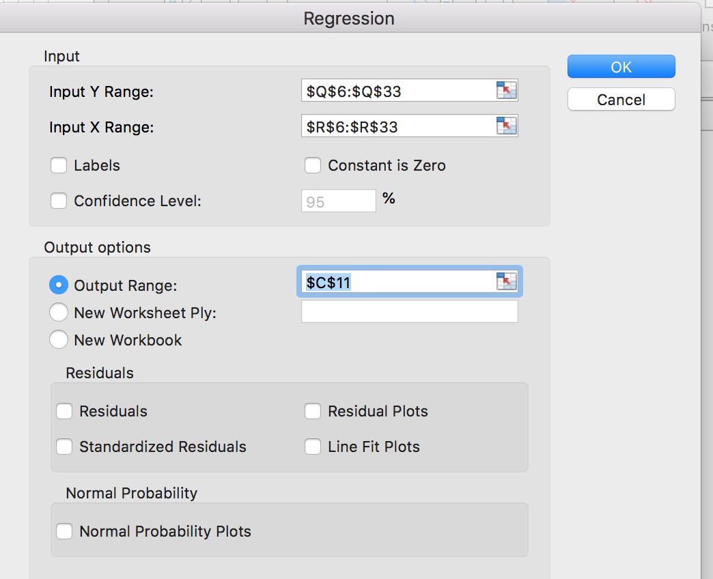
Intercept | 37.908352213 |  |  |  |  |  |  |  |  |  |  |  |  |  |  |  |  |  |  | Coefficients | Standard Error | t Stat | P-value | Lower 95% | Upper 95% | Lower 95.0% | Upper 95.0%
Slope | 0.66888557543 |  |  |  |  |  |  |  |  |  |  |  |  |  |  |  |  |  | Intercept | 37.908352213 | 15.239466815 | 2.4875117137 | 0.019603154467 | 6.5831795451 | 69.23352488 | 6.5831795451 | 69.23352488
Y(2008) | 114.6 |  |  |  |  |  |  |  |  |  |  |  |  |  |  |  |  |  | X Variable 1 | 0.66888557543 | 0.13127975052 | 5.0951161377 | 2.6150116104E-05 | 0.39903618354 | 0.93873496733 | 0.39903618354 | 0.93873496733

Y(2009) | 114.56263916

 |  |  |  |  |  |  |  |  |  |  |  |  |  |  |  |  |  |  | RESIDUAL OUTPUT

 |  |  |  |  |  |  |  |  |  |  |  |  |  |  |  |  |  |  | Observation | Predicted Y | Residuals
 |  |  |  |  |  |  |  |  |  |  |  |  |  |  |  |  |  |  | 1 | 123.19126308 | 6.9087369198
 |  |  |  |  |  |  |  |  |  |  |  |  |  |  |  |  |  |  | 2 | 124.93036558 | -7.1303655763
 |  |  |  |  |  |  |  |  |  |  |  |  |  |  |  |  |  |  | 3 | 116.703073 | 12.996927001
 |  |  |  |  |  |  |  |  |  |  |  |  |  |  |  |  |  |  | 4 | 124.66281135 | -0.76281134616
 |  |  |  |  |  |  |  |  |  |  |  |  |  |  |  |  |  |  | 5 | 120.78327501 | 4.1167249914
 |  |  |  |  |  |  |  |  |  |  |  |  |  |  |  |  |  |  | 6 | 121.45216058 | -2.7521605841
 |  |  |  |  |  |  |  |  |  |  |  |  |  |  |  |  |  |  | 7 | 117.30507002 | 6.5949299836
 |  |  |  |  |  |  |  |  |  |  |  |  |  |  |  |  |  |  | 8 | 120.78327501 | 0.61672499135
 |  |  |  |  |  |  |  |  |  |  |  |  |  |  |  |  |  |  | 9 | 119.11106107 | -3.8110610701
 |  |  |  |  |  |  |  |  |  |  |  |  |  |  |  |  |  |  | 10 | 115.03085906 | -1.1308590599
 |  |  |  |  |  |  |  |  |  |  |  |  |  |  |  |  |  |  | 11 | 114.09441925 | -6.3944192543
 |  |  |  |  |  |  |  |  |  |  |  |  |  |  |  |  |  |  | 12 | 109.94732869 | 0.55267131336
 |  |  |  |  |  |  |  |  |  |  |  |  |  |  |  |  |  |  | 13 | 111.8202083 | -1.8202082979
 |  |  |  |  |  |  |  |  |  |  |  |  |  |  |  |  |  |  | 14 | 111.48576551 | -7.1857655101
 |  |  |  |  |  |  |  |  |  |  |  |  |  |  |  |  |  |  | 15 | 107.67311773 | 0.42688226983
 |  |  |  |  |  |  |  |  |  |  |  |  |  |  |  |  |  |  | 16 | 110.21488292 | -1.2148829168
 |  |  |  |  |  |  |  |  |  |  |  |  |  |  |  |  |  |  | 17 | 110.81687993 | 2.1831200653
 |  |  |  |  |  |  |  |  |  |  |  |  |  |  |  |  |  |  | 18 | 113.49242224 | -0.79242223643
 |  |  |  |  |  |  |  |  |  |  |  |  |  |  |  |  |  |  | 19 | 113.29175656 | -6.7917565638
 |  |  |  |  |  |  |  |  |  |  |  |  |  |  |  |  |  |  | 20 | 109.144666 | 3.4553340039
 |  |  |  |  |  |  |  |  |  |  |  |  |  |  |  |  |  |  | 21 | 113.22486801 | -1.4248680063
 |  |  |  |  |  |  |  |  |  |  |  |  |  |  |  |  |  |  | 22 | 112.68975955 | 3.4102404541
 |  |  |  |  |  |  |  |  |  |  |  |  |  |  |  |  |  |  | 23 | 115.56596752 | 2.3340324797
 |  |  |  |  |  |  |  |  |  |  |  |  |  |  |  |  |  |  | 24 | 116.76996156 | -0.16996155605
 |  |  |  |  |  |  |  |  |  |  |  |  |  |  |  |  |  |  | 25 | 115.90041031 | -3.400410308
 |  |  |  |  |  |  |  |  |  |  |  |  |  |  |  |  |  |  | 26 | 113.15797945 | 4.1420205513
 |  |  |  |  |  |  |  |  |  |  |  |  |  |  |  |  |  |  | 27 | 116.36863021 | -5.4686302108
 |  |  |  |  |  |  |  |  |  |  |  |  |  |  |  |  |  |  | 28 | 112.08776253 | 2.512237472

Question 3
 |  |  |  |  | Year (x) | y(t) | y(t-1)
 |  |  |  | 1 | 1980 | 127.5
 |  |  |  | 2 | 1981 | 130.1 | 127.5
 |  |  |  | 3 | 1982 | 117.8 | 130.1
 |  |  | Data > Data Analysis > Regression | 4 | 1983 | 129.7 | 117.8
 |  |  |  | 5 | 1984 | 123.9 | 129.7
 |  |  |  | 6 | 1985 | 124.9 | 123.9
 |  |  |  | 7 | 1986 | 118.7 | 124.9
So, We can predict 2009 Actual as below, |  |  |  | 8 | 1987 | 123.9 | 118.7
 |  |  |  | 9 | 1988 | 121.4 | 123.9
Y(2009) = 37.9083522125354+0.668885575432722 *114.6 |  |  |  | 10 | 1989 | 115.3 | 121.4
 |  |  |  | 11 | 1990 | 113.9 | 115.3
Intercept | 37.908352213 | 63.5 |  | 12 | 1991 | 107.7 | 113.9
Slope | 0.66888557543 | -0.01521 |  | 13 | 1992 | 110.5 | 107.7
Y(2008) | 114.6 |  |  | 14 | 1993 | 110 | 110.5
 |  |  |  | 15 | 1994 | 104.3 | 110
Y(2009) | 114.56263916 |  |  | 16 | 1995 | 108.1 | 104.3
 |  |  |  | 17 | 1996 | 109 | 108.1
 |  |  |  | 18 | 1997 | 113 | 109
 |  |  |  | 19 | 1998 | 112.7 | 113
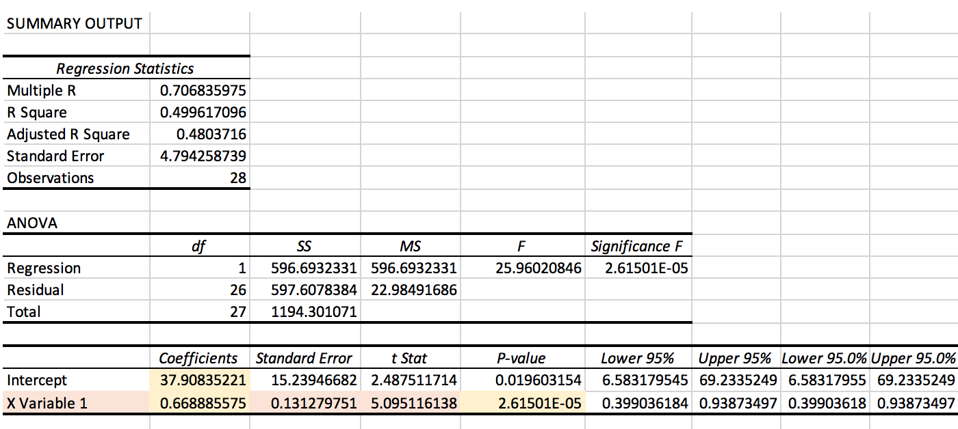
 |  |  |  | 20 | 1999 | 106.5 | 112.7
 |  |  |  | 21 | 2000 | 112.6 | 106.5
 |  |  |  | 22 | 2001 | 111.8 | 112.6
 |  |  |  | 23 | 2002 | 116.1 | 111.8
 |  |  |  | 24 | 2003 | 117.9 | 116.1
 |  |  |  | 25 | 2004 | 116.6 | 117.9
 |  |  |  | 26 | 2005 | 112.5 | 116.6
 |  |  |  | 27 | 2006 | 117.3 | 112.5
 |  |  |  | 28 | 2007 | 110.9 | 117.3
 |  |  |  | 29 | 2008 | 114.6 | 110.9
 |  |  |  | 30 | 2009 |  | 114.6

Question 4
 |  |  | Year (x) | Actual | Forecast (damping factor, w = 0.8) | Forecast (damping factor, w = 0.2)
 |  | 1 | 1980 | 127.5 |  |  | 2010 |  | #N/A | 2010 | 89.6 | #N/A
 |  | 2 | 1981 | 130.1 | #N/A | #N/A | 2011 | 89.6 | #N/A | 2011 | 112.7 | 89.6
 |  | 3 | 1982 | 117.8 | 130.1 | 130.1 | 2012 | 112.7 | 112.7 | 2012 | 54.3 | 108.08
 |  | 4 | 1983 | 129.7 | 127.6 | 120.3 | 2013 | 54.3 | 65.98 | 2013 | 142.4 | 65.056
Yes, the average number of rushing yards in the NFL for the 2009 season with exponential smoothing model dumping factor (w) = 0.8 is 113.9 |  | 5 | 1984 | 123.9 | 128.1 | 127.8 | 2014 | 142.4 | 127.116 | 2014 | 101.5 | 126.9312
 |  | 6 | 1985 | 124.9 | 127.2 | 124.7 | 2015 | 101.5 | 106.6232 | 2015 | 99.8 | 106.58624
Yes, the average number of rushing yards in the NFL for the 2009 season with exponential smoothing model dumping factor (w) = 0.2 is 114.1 |  | 7 | 1986 | 118.7 | 126.8 | 124.9 | 2016 | 99.8 | 101.16464 | 2016 | 78.1 | 101.157248
 |  | 8 | 1987 | 123.9 | 125.1 | 119.9 | 2017 | 78.1 | 82.712928 | 2017 | 97.4 | 82.7114496
 |  | 9 | 1988 | 121.4 | 124.9 | 123.1 | 2018 | 97.4 | 94.4625856 | 2018 |  | 94.46228992
 |  | 10 | 1989 | 115.3 | 124.2 | 121.7
 | Data > Data Analysis > Exponential Smoothing | 11 | 1990 | 113.9 | 122.4 | 116.6 |  |  |  | 2010 | 89.6 | #N/A
Exponential Smoothing
 | Actual | w=0.8 | w=0.2
 | 130.1 | #N/A
 | 117.8 | 130.1 | #N/A
 | 129.7 | 127.6 | 130.1
 | 123.9 | 128.1 | 120.3
 | 124.9 | 127.2 | 127.8
 | 118.7 | 126.8 | 124.7
 | 123.9 | 125.1 | 124.9
 | 121.4 | 124.9 | 119.9
 | 115.3 | 124.2 | 123.1
 | 113.9 | 122.4 | 121.7
 | 107.7 | 120.7 | 116.6
 | 110.5 | 118.1 | 114.4
 | 110 | 116.6 | 109.0
 | 104.3 | 115.3 | 110.2
 | 108.1 | 113.1 | 110.0
 | 109 | 112.1 | 105.4
 | 113 | 111.5 | 107.6
 | 112.7 | 111.8 | 108.7
 | 106.5 | 112.0 | 112.1
 | 112.6 | 110.9 | 112.6
 | 111.8 | 111.2 | 107.7
 | 116.1 | 111.3 | 111.6
 | 117.9 | 112.3 | 111.8
 | 116.6 | 113.4 | 115.2
 | 112.5 | 114.0 | 117.4
 | 117.3 | 113.7 | 116.8
 | 110.9 | 114.4 | 113.4
 | 114.6 | 113.7 | 116.5
 |  | 113.9 | 112.0
 |  |  | 114.1
 |  | 12 | 1991 | 107.7 | 120.7 | 114.4 | 2010 | 89.6 | #N/A | 2011 | 112.7 | 89.6
 |  | 13 | 1992 | 110.5 | 118.1 | 109.0 | 2011 | 112.7 | 89.6 | 2012 | 54.3 | 108.08
 |  | 14 | 1993 | 110 | 116.6 | 110.2 | 2012 | 54.3 | 108.08 | 2013 | 142.4 | 65.056
 |  | 15 | 1994 | 104.3 | 115.3 | 110.0 | 2013 | 142.4 | 65.056 | 2014 | 101.5 | 126.9312
 |  | 16 | 1995 | 108.1 | 113.1 | 105.4 | 2014 | 101.5 | 126.9312 | 2015 | 99.8 | 106.58624
 |  | 17 | 1996 | 109 | 112.1 | 107.6 | 2015 | 99.8 | 106.58624 | 2016 | 78.1 | 101.157248
 |  | 18 | 1997 | 113 | 111.5 | 108.7 | 2016 | 78.1 | 101.157248 | 2017 | 97.4 | 82.7114496
 |  | 19 | 1998 | 112.7 | 111.8 | 112.1 | 2017 | 97.4 | 82.7114496 | 2018 |  | 94.46228992
 |  | 20 | 1999 | 106.5 | 112.0 | 112.6 | 2018 |  | 94.46228992
 |  | 21 | 2000 | 112.6 | 110.9 | 107.7
 |  | 22 | 2001 | 111.8 | 111.2 | 111.6
 |  | 23 | 2002 | 116.1 | 111.3 | 111.8
 |  | 24 | 2003 | 117.9 | 112.3 | 115.2
 |  | 25 | 2004 | 116.6 | 113.4 | 117.4
 |  | 26 | 2005 | 112.5 | 114.0 | 116.8
 |  | 27 | 2006 | 117.3 | 113.7 | 113.4
 |  | 28 | 2007 | 110.9 | 114.4 | 116.5
 |  | 29 | 2008 | 114.6 | 113.7 | 112.0
 |  | 30 | 2009 |  | 113.9 | 114.1

 |  |  | Year (x) | Actual
 |  | 1 | 1980 | 127.5
 |  | 2 | 1981 | 130.1 | #N/A
 |  | 3 | 1982 | 117.8 | 127.5
 |  | 4 | 1983 | 129.7 | 128.02
 |  | 5 | 1984 | 123.9 | 125.976
 |  | 6 | 1985 | 124.9 | 126.7208
 |  | 7 | 1986 | 118.7 | 126.15664
 |  | 8 | 1987 | 123.9 | 125.905312
 |  | 9 | 1988 | 121.4 | 124.4642496
 |  | 10 | 1989 | 115.3 | 124.35139968
 |  | 11 | 1990 | 113.9 | 123.76111974
 |  | 12 | 1991 | 107.7 | 122.0688958
 |  | 13 | 1992 | 110.5 | 120.43511664
 |  | 14 | 1993 | 110 | 117.88809331
 |  | 15 | 1994 | 104.3 | 116.41047465
 |  | 16 | 1995 | 108.1 | 115.12837972
 |  | 17 | 1996 | 109 | 112.96270377
 |  | 18 | 1997 | 113 | 111.99016302
 |  | 19 | 1998 | 112.7 | 111.39213042
 |  | 20 | 1999 | 106.5 | 111.71370433
 |  | 21 | 2000 | 112.6 | 111.91096347
 |  | 22 | 2001 | 111.8 | 110.82877077
 |  | 23 | 2002 | 116.1 | 111.18301662
 |  | 24 | 2003 | 117.9 | 111.30641329
 |  | 25 | 2004 | 116.6 | 112.26513064
 |  | 26 | 2005 | 112.5 | 113.39210451
 |  | 27 | 2006 | 117.3 | 114.03368361
 |  | 28 | 2007 | 110.9 | 113.72694689
 |  | 29 | 2008 | 114.6 | 114.44155751
 |  | 30 | 2009 |  | 113.73324601

Question 5
 |  |  | Year (x) | Actual | Forecast (k=5)
 |  | 1 | 1980 | 127.5
 |  | 2 | 1981 | 130.1
 | Data > Data Analysis > Moving Average | 3 | 1982 | 117.8 | #N/A
 |  | 4 | 1983 | 129.7 | #N/A
Yes, the average number of rushing yards in the NFL for the 2009 season with moving average model using k = 5 is 114.38. |  | 5 | 1984 | 123.9 | #N/A
 |  | 6 | 1985 | 124.9 | #N/A
Moving Average
 | Actual | Forecast
 | 130.1
 | 117.8 | #N/A
 | 129.7 | #N/A
 | 123.9 | #N/A
 | 124.9 | #N/A
 | 118.7 | 125.28
 | 123.9 | 123
 | 121.4 | 124.22
 | 115.3 | 122.56
 | 113.9 | 120.84
 | 107.7 | 118.64
 | 110.5 | 116.44
 | 110 | 113.76
 | 104.3 | 111.48
 | 108.1 | 109.28
 | 109 | 108.12
 | 113 | 108.38
 | 112.7 | 108.88
 | 106.5 | 109.42
 | 112.6 | 109.86
 | 111.8 | 110.76
 | 116.1 | 111.32
 | 117.9 | 111.94
 | 116.6 | 112.98
 | 112.5 | 115
 | 117.3 | 114.98
 | 110.9 | 116.08
 | 114.6 | 115.04
 |  | 7 | 1986 | 118.7 | 125.28
 |  | 8 | 1987 | 123.9 | 123
 |  | 9 | 1988 | 121.4 | 124.22
 |  | 10 | 1989 | 115.3 | 122.56
 |  | 11 | 1990 | 113.9 | 120.84
 |  | 12 | 1991 | 107.7 | 118.64
 |  | 13 | 1992 | 110.5 | 116.44
 |  | 14 | 1993 | 110 | 113.76
 |  | 15 | 1994 | 104.3 | 111.48
 |  | 16 | 1995 | 108.1 | 109.28
 |  | 17 | 1996 | 109 | 108.12
 |  | 18 | 1997 | 113 | 108.38
 |  | 19 | 1998 | 112.7 | 108.88
 |  | 20 | 1999 | 106.5 | 109.42
 |  | 21 | 2000 | 112.6 | 109.86
 |  | 22 | 2001 | 111.8 | 110.76
 |  | 23 | 2002 | 116.1 | 111.32
 |  | 24 | 2003 | 117.9 | 111.94
 |  | 25 | 2004 | 116.6 | 112.98
 |  | 26 | 2005 | 112.5 | 115
 |  | 27 | 2006 | 117.3 | 114.98
 |  | 28 | 2007 | 110.9 | 116.08
 |  | 29 | 2008 | 114.6 | 115.04
 |  | 30 | 2009 |  | 114.38

